Power Query Beyond The UI
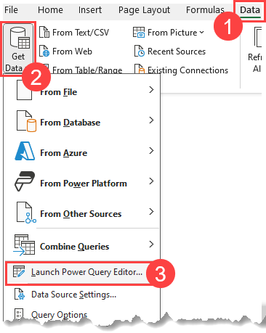
Chapter 11 - Patterns and Recipes (Example 3: Combining Data with Inconsistent Column Headers)
To access the queries, open Power Query - Data > Get Data > Launch Power Query Editor ➜

Need more?
➜ Learn M in Power Query - Online Course
➜ Need Power BI / Excel Consulting? Drop me a line - chandeep@goodlyinsights.com

